Cover
InSite Project
Screen Definitions
Strictly Confidential Internal Use Only

 |  | System Category | Client Application (Android and IOS)
 |  | Screen Category | Login
 |  | Screen ID
 |  | Screen Name | Login

Version | Last update | Update by | Description
1.0 | 2014-05-15 | Vuong | New

 |  |  |  | ©2014 INTELLIGENCE, Ltd. All Rights Reserved.

Screen Definition
Screen ID | 0 | Category | Client Application (Android and IOS) |  | Screen Category | Login
Screen Name | Login | Screen size |  |  | User

Screen layout

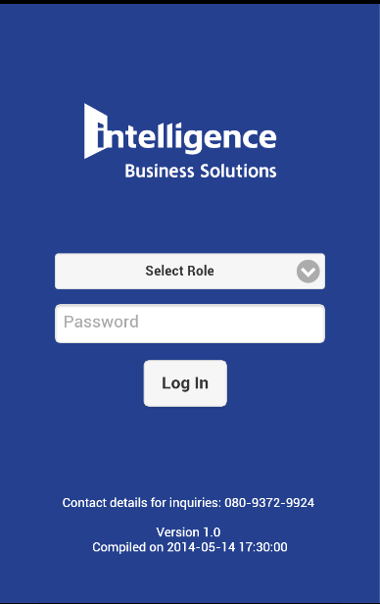
101
102
103
104
105
106
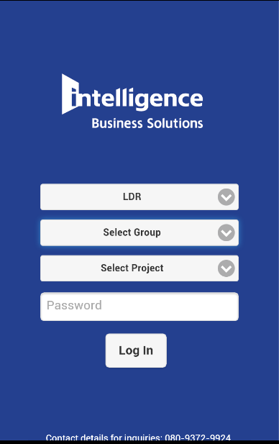

101

102

107
103

108

103

104

105

Data item

Serial number | Item Name | CTRL | Tab Order | Input |  |  | Event
 |  |  |  | Validate | Format
101 | Logo name | Label
102 | Select role | Dropdownlist | 1 |  |  |  | 2
103 | Password | Textbox | 4 | 50 characters
104 | Login | Button | 5 |  |  |  | 3
105 | Contact | Label
106 | Version | Label
107 | Select Group | Dropdownlist | 2 |  |  |  | 2
108 | Select Project | Dropdownlist | 3 |  |  |  | 2

